Directions
STATE OF SOUTH CAROLINA
YEAR-END REPORTING PROCEDURES MANUAL
SECTION 3.02, TAX REVENUES YEAR-END REPORTING PACKAGE
DUE DATE: |  |  |  | 10/1/2024

PURPOSE and OBJECTIVE:
 | Cash and investments held by entities which produce their own audited financial statements (AFS) must be reconciled to amounts (if applicable) held within the State Treasurer's Office (STO). Additional disclosures regarding your entity's cash and investments are necessary for ACFR disclosure purposes and are detailed in this closing package.

ORDER OF INSTRUCTIONS FOR COMPLETION OF FORMS:

1 | Save File
 | A | Save file with your entity's name first followed by "Cash and Investments Reconciliation"

2 | Signature Page
 | A | Select your entity from the drop down box. The selection will populate the agency code and name to the appropriate places throughout the workbook.
 | B | Please type the name of the preparer and reviewer, and respective e-mail address, phone numbers.
 | C | Fill out each section: Cash and Investments Lead, Cash Disclosure, Investment Disclosure.

3 | Cash and Investments Lead
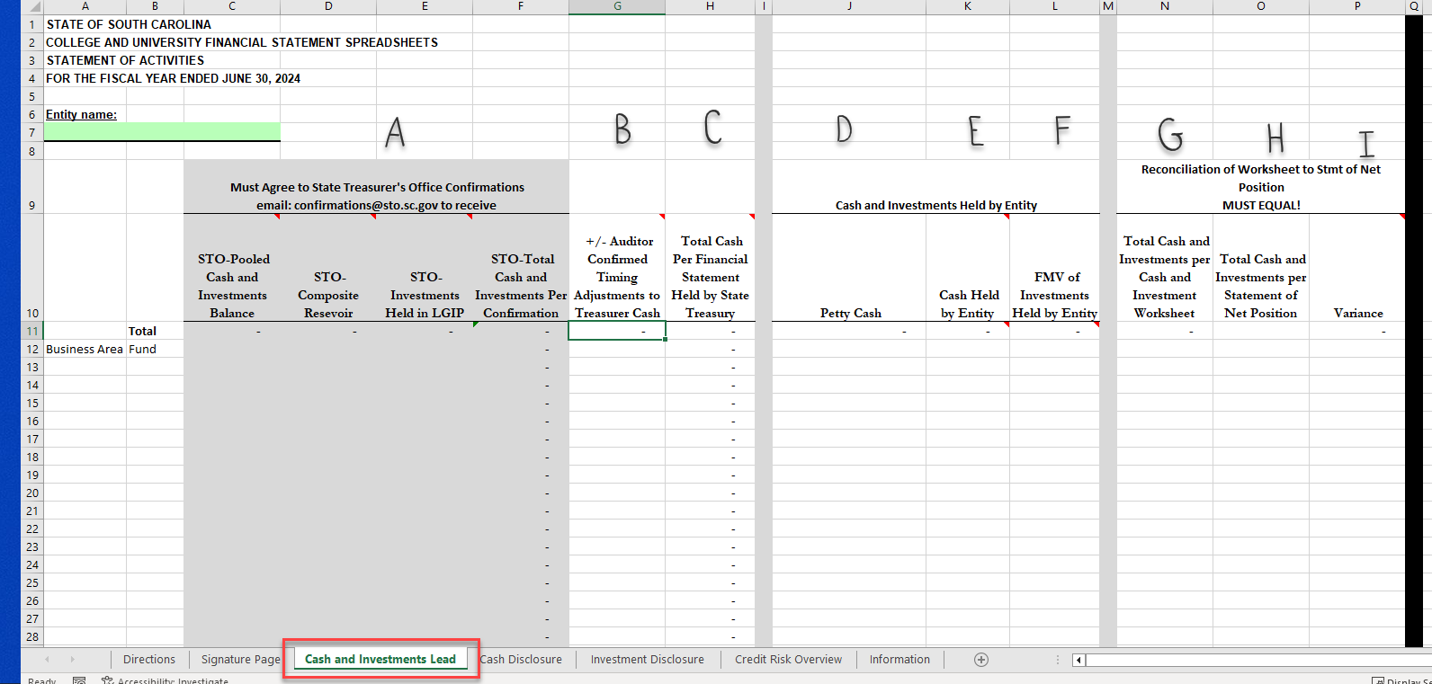

 | This form provides a reconciliation of total cash and investments held by the AFS entity back to the financial statements and to the portion of cash held by the STO.
 | A | Copy and paste amounts from Comptroller General (CGO) cash confirmation onto grey shaded area. Amounts must agree exactly to original confirmation.
 |  | 1 | NOTE-if any funds are missing from the confirmation or funds included on confirmation that are not funds of the AFS entity, please note on this confirmation as it is important for the ACFR team to correctly identify funds to AFS entity.
 | B | Add any adjustments to the fund balance here so that the total will then agree to your AFS.
 | C | Total is a formula and will agree to amount disclosed on your AFS's notes for cash held by the STO.
 | D | Detail petty cash here, can but put in as a sum total, does not need to be entered by fund.
 | E | Detail cash held your AFS entity here. This is cash seperatefrom cash held by STO and petty cash. Can be put in as a sum total, does not need to be entered by fund/banking institution.
 |  | 1 | NOTE- the total amount here will have related disclsoures related to custodial credit risk on tab "Cash Disclosure". Amounts must agree between tabs.
 | F | Detail investments held your AFS entity here. Can be put in as a sum total, does not need to be entered by fund/banking institution/investment type.
 |  | 1 | NOTE- the total amount here will have related disclosoures related to custodial credit risk on tab "Investment Disclosure". Amounts must agree between tabs.
 | G | Formula that adds cash and investments broken out here. No entry required.
 | H | Input the total of cash and investments per AFS's statement of Net position
 | I | Formula compares amounts per statement of net position to amounts entered on this tab. Should be zero. If not, submission will be rejected. No entry required.
4 | Cash Disclosure
 | Details the breakout of custodial risk for cash held by entity. The ACFR must disclose this information in notes.
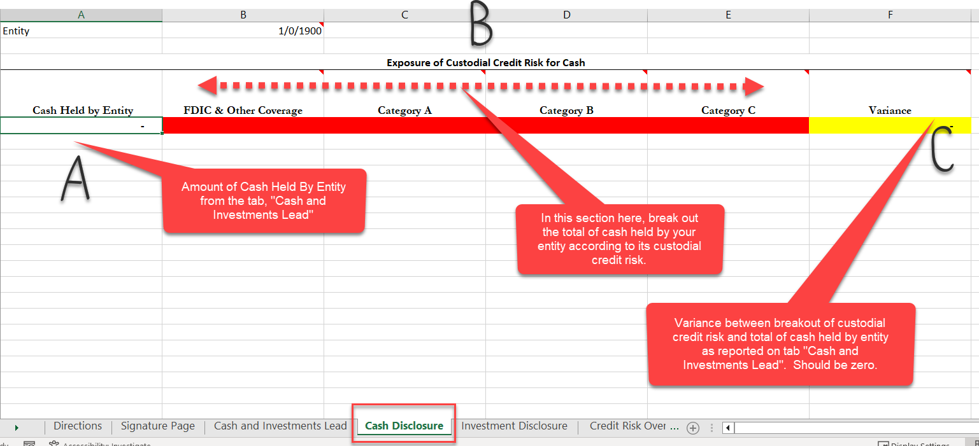

 | A | Cash Held by Entity-Amount of cash held by entity. A formula from tab, "Cash and Investments Lead". No entry required.
 | B | Input amount of Cash Held by Entity according to its custodial credit risk.
 |  | 1 | FDIC & Other Coverage-Portion of Cash Held by entity that is FDIC insured or otherwise fully insured.
 |  | 2 | Category A-Portion of Cash Held by Entity that is uninsured but collaterlized, but the collateral is held by the pledging financial institution itself.
 |  | 3 | Category B-Portion of Cash Held by Entity is collaterlized and the collateral is held by either the financial institution trust department or agent, but the collateral is not held in the name of the depositor government.
 |  | 4 | Category C-Portion of Cash held by Entity that is not collaterlized, not insured.
 | C | Formula that sums up custodial credit risk and compares to total cash held by entity. Should be zero. Formula, no input required.

5 | Investment Disclosure
 | This form details the investment types by custodial credit risk, maturity, fair value level, and credit risk. This information enables the ACFR team to properly compile your AFS investments into the ACFR
 | Note-For each section of disclosure (Fair Value Asset Valuation, Credit Risk, Custodial Credit Risk, Maturity, and breakout of any investments measured at NAV, the total of each respective disclosure must equal back to column B, "Total FMV of Investments (Including NAV)". This area is highlighted yellow and should be zero after all amounts have been input.
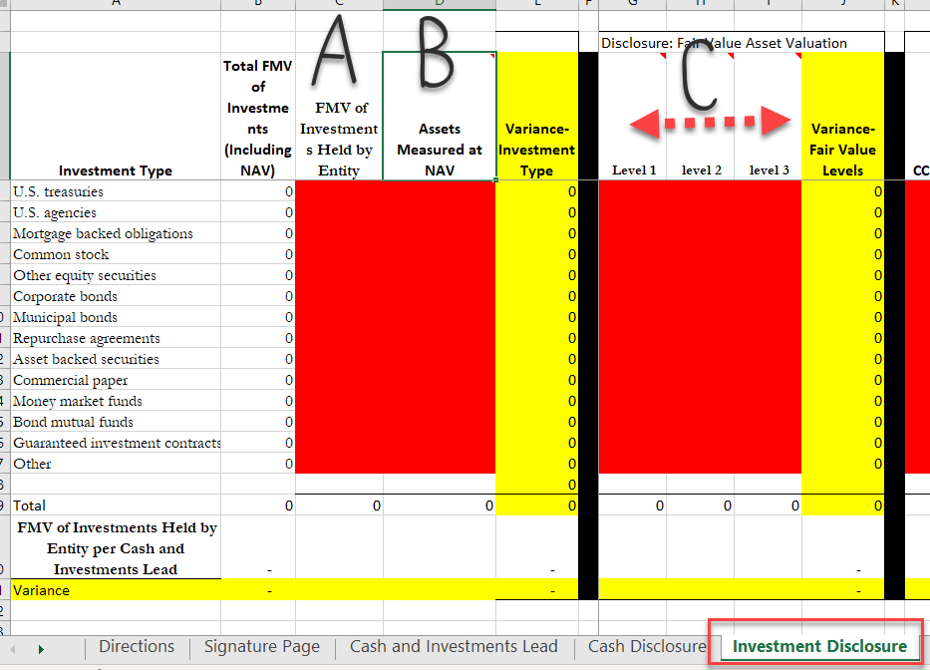

 | A | Input amount by investment type for all investments measured outside of Net Asset Value
 | B | Input amount by investment type for all investments measured by Net Asset Value
 | C | Input amount by investment type according to its Fair Value Asset Valuation
 |  | 1 | Level 1-Quoted prices in active markets for identical assets or liabilities.
 |  | 2 | Level 2-Valuation based on market observables. An identical asset may not exist or the market may be less active or a quoted market price is unavailable
 |  | 3 | Level 3-Unobservable valuation used when level 1 and level 2 inputs are not available.
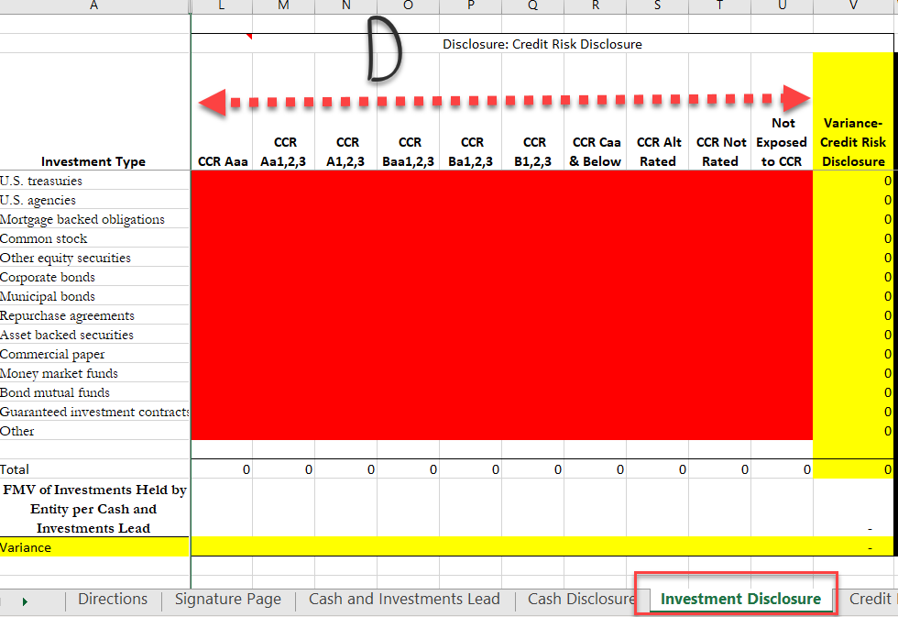

 | D | Input amount by investment type according to its Credit Risk Disclosure
 |  | 1 | Each of the investment rating firms have distinct, yet similar rating classes. Please see tab, "Credit Risk Overview" to see how each investment rating equates between the three ratings agencies.
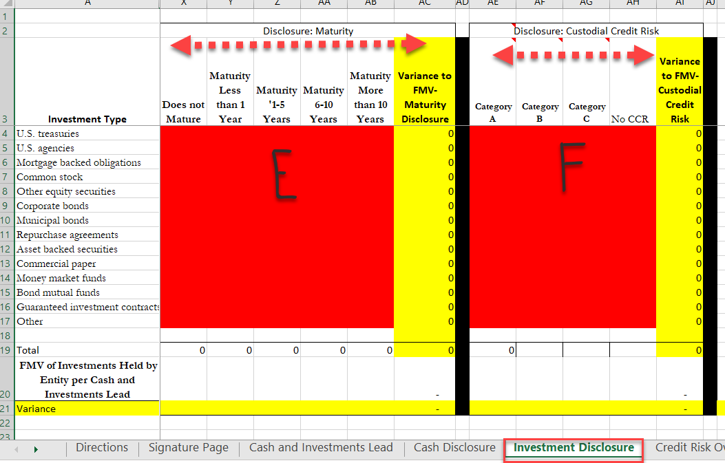

 | E | Input amount by investment type according to its Maturity from the point of fiscal year end.
 | F | Input amount by investment type according to its custodial credit risk
 |  | 1 | Category A-investments that are insured or registered or for which the securities are held by the State or its agent in the State's name
 |  | 2 | Category B-uninsured and unregistered investments for which the securities are held by the counterparty's trust department or agent in the State's name
 |  | 3 | Category C-uninsured and unregistered investments for which the securities are held by the counterparty, or by its trust department or agent but not in the State's name.me
 |  | 4 | No CCR-no custodial credit risk associed with investment type.

