Acct Pay
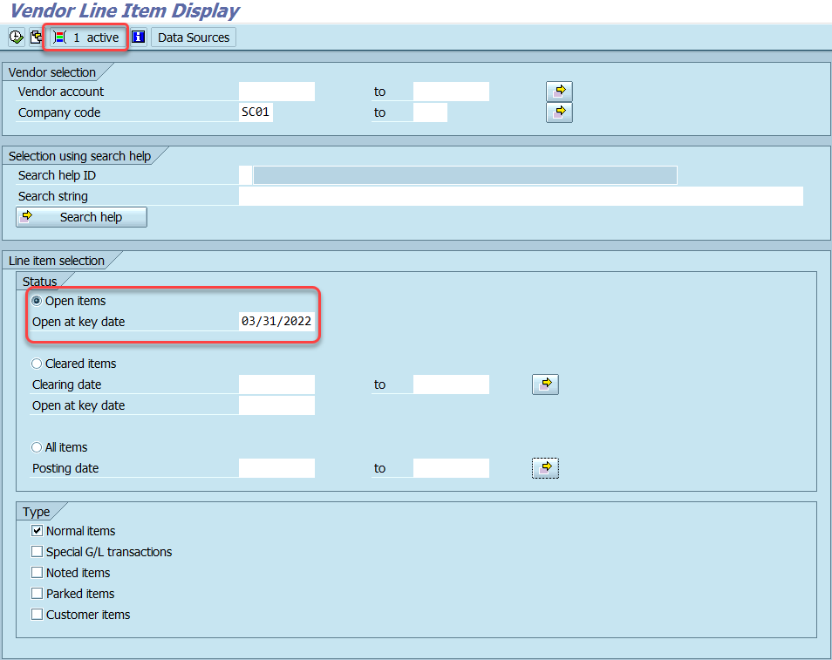
Accounts Payables:

Analyze and balance use tax liability account:
Sales & Use Tax Report (BEX)

1. Navigate to the Sales & Use Tax Report in BEX Analyzer.
2. Complete/review the following fields: - Business Area - Fiscal Year
3. Click OK to run the report.
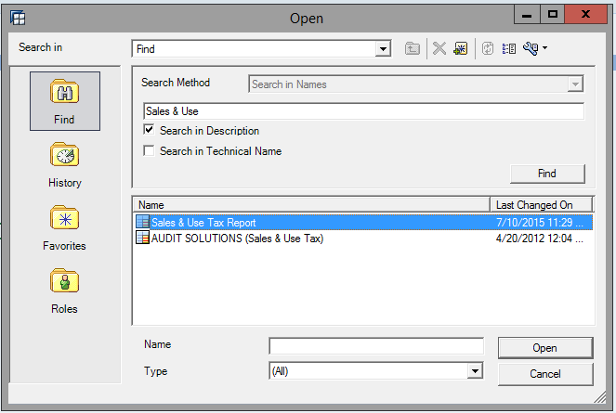

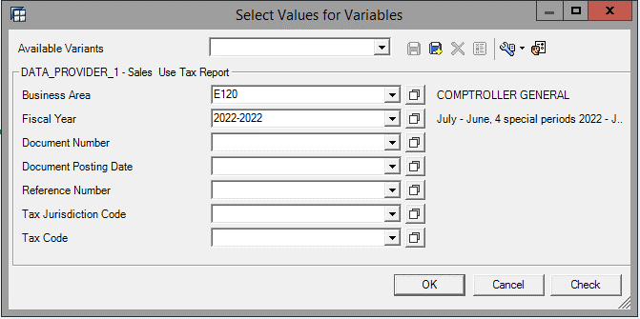

Can set filter value for Posting Period
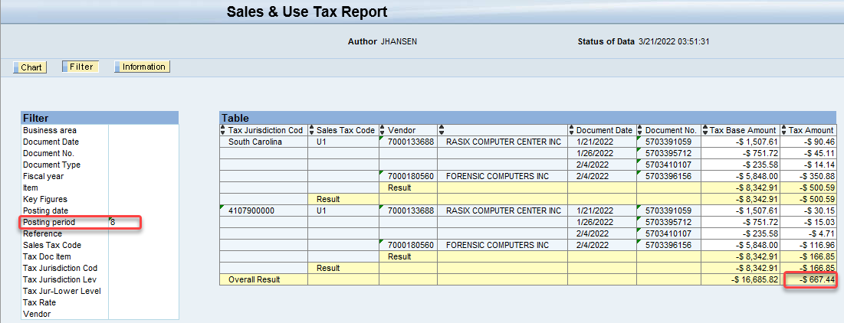

This balance should tie to ECC Tcode FAGLB03:
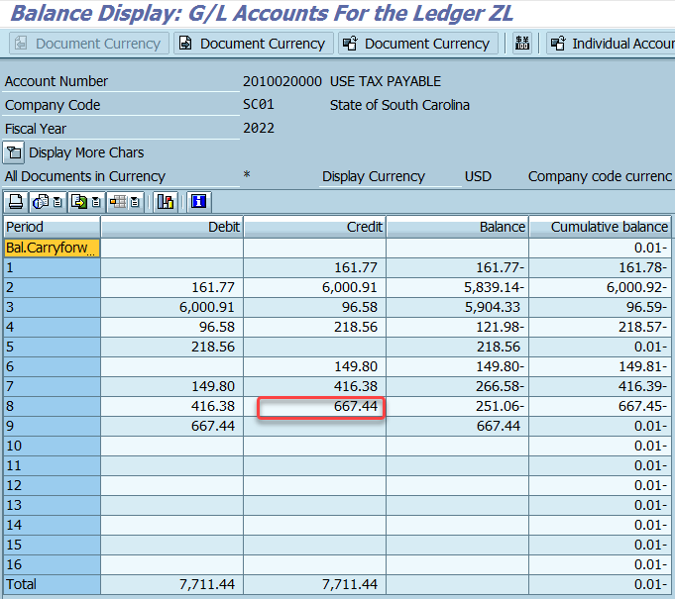

Review bonds / loans payables to ensure appropriate balances:
Transaction: ZGLA

1. Open transaction ZGLA
2. Complete/review the following fields: - Fiscal Year - Period - Account Group: SC_TRIAL_BALANCE_DETAIL - Business Area
3. Click the Execute button.
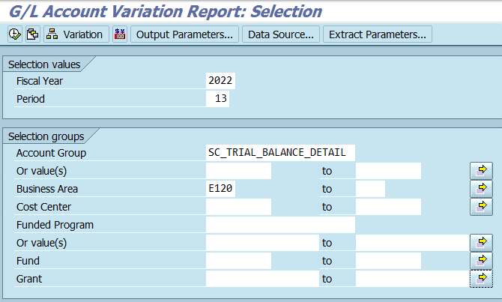

AP review open items (IDT's, 3rd Party Vendor Payments):
Open Encumbrance Report (BEX)

1. Navigate to the Open Encumbrance Report in BEX Analyzer.
2. Complete/review the following fields: - Business Area - Fiscal Year
3. Click OK to run the report.
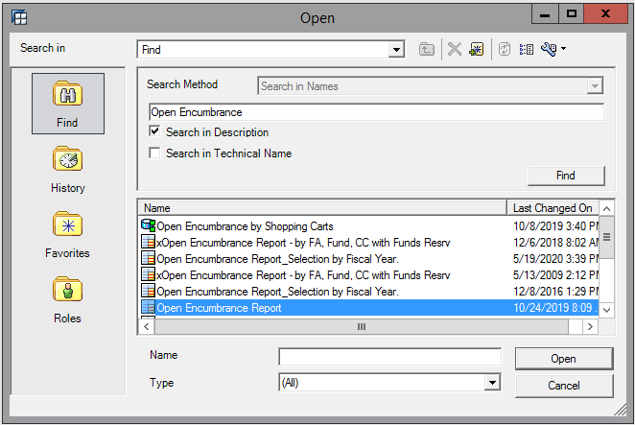

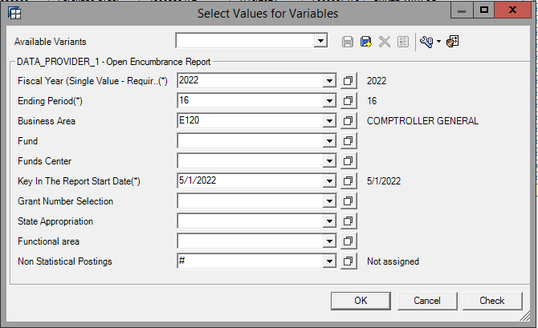

Transaction: FAGLL03

1. Open transaction FAGLL03
2. Select the Dynamic Selections icon and enter theBusiness Area within the appropriate field (General Ledger Line Items).
3. Select an account in the G/L account field. (ex: 2000010000 - ACCT PAY&VOUCHER PAY)
4. Select the Open Items option in the Line item selection section. The current date will default.
5. Execute the transaction.
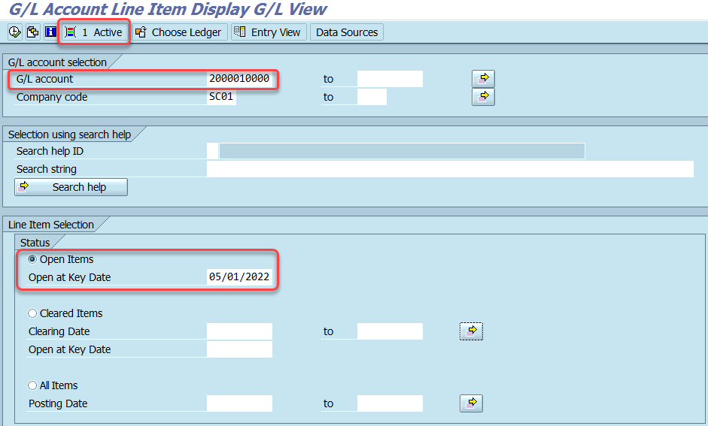

Reconcile AP G/L balances with AP sub ledger balances:
Transaction: ZGLA

1. Open transaction ZGLA
2. Complete/review the following fields: - Fiscal Year - Period - Account Group: SC_ACCOUNTS_PAYABLE - Business Area
3. Click the Execute button.

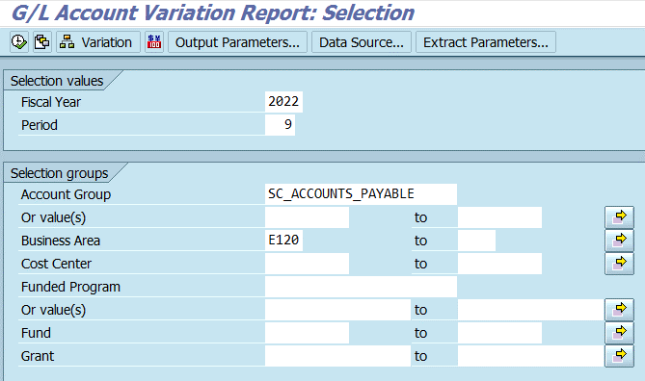

Sub ledger balances:
Transaction: FBL1N

1. Open transaction FBL1N.
2. Select the Dynamic Selections icon and enter the Business Area in the appropriate field.
3. Enter a vendor account in the G/L account field for a specific vendor or leave it blank to see a list of all accounts.
4. Select the Open items option in the Line item selection. The current date will default.
5. Execute the transaction.

Acct Rec
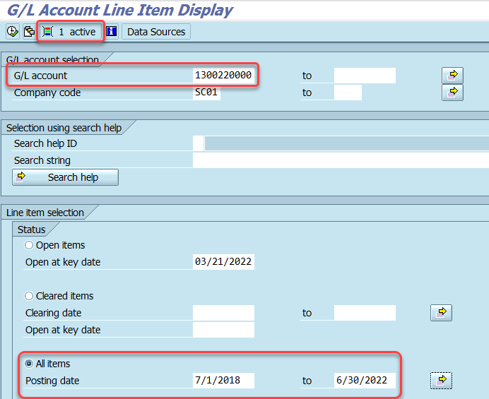
Accounts Receivables:

Review Undeposited Cash account to ensure appropriate balance:

1. Open transaction ZGLA
2. Complete/review the following fields: - Fiscal Year - Period - Account Group Or value(s): 1000010000 to 1000019999 - Business Area
3. Click the Execute button.
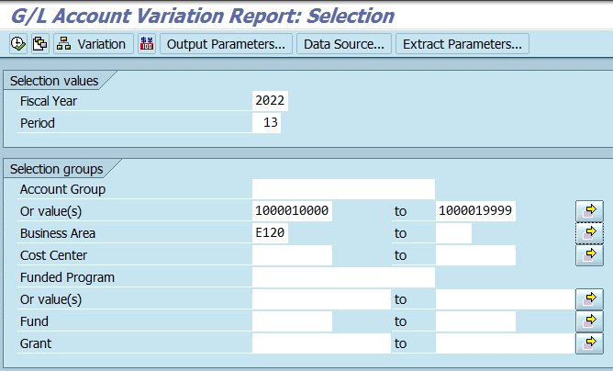

Review AR aging - ensure appropriate allowance is recorded
AR Aging by Customer (BEX)

1. Navigate to the AR Aging by Customer report in BEX Analyzer.
2. Complete/review the following fields: - Business Area - Key due date
3. Click OK to run the report.

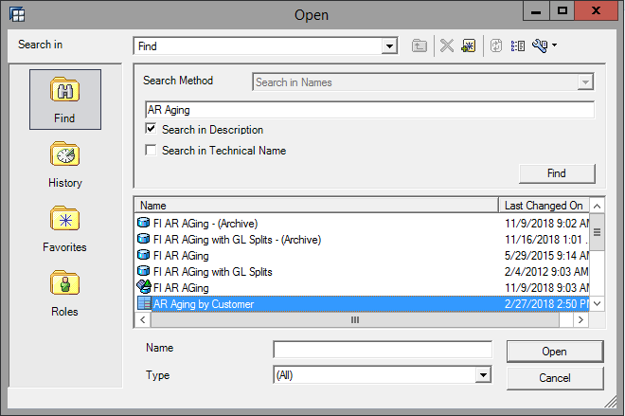

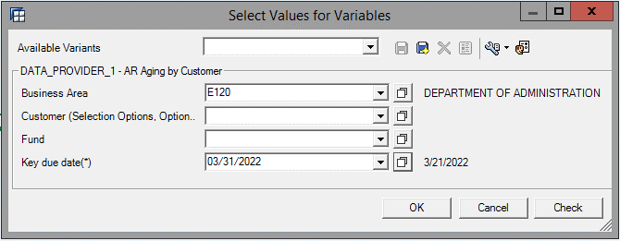

Write off uncollectible receivables identified:
1. Review AR Aging by Customer BEX report.
2. Identify receivables deemed uncollectible.

Accounts Receivable review open items:
Transaction FBL5N

1. Open transaction FBL5N.
2. Select the Dynamic Selections icon and enter the Business Area in the appropriate field.
3. Enter an account in the Customer account field or leave it blank to see a list of all accounts.
4. Select the Open items option in the Line item selection section.
5. Execute the transaction.
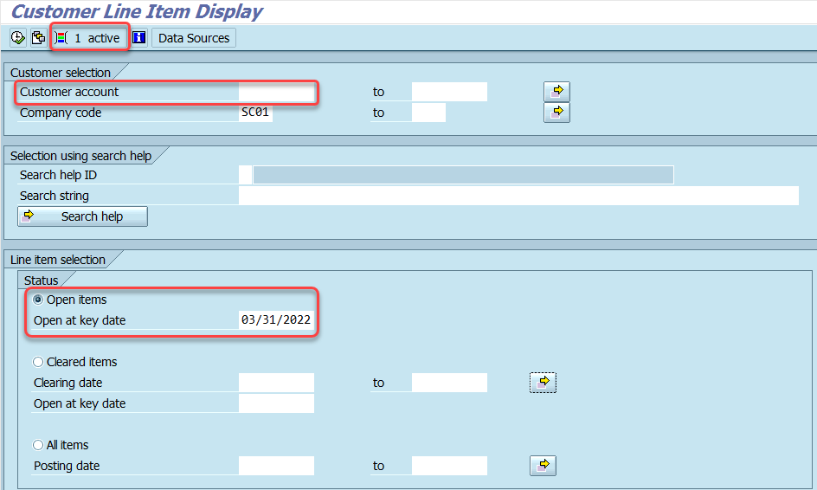

Reconcile AR G/L balances with AR sub ledger balances:
Transaction: ZGLA

1. Open transaction ZGLA
2. Complete/review the following fields: - Fiscal Year - Period - Account Group: SC_ACCOUNTS_RECEIVABLE - Business Area
3. Click the Execute button.


Sub ledger balances:
Transaction: FBL3N

1. Open transaction FBL3N.
2. Select the Dynamic Selections icon and enter the Business Area in the appropriate field.
3. Enter an account in the G/L account field or leave it blank to see a list of all accounts.
4. Select the All items option in the Line item selection section and enter the appropriate posting dates.
5. Execute the transaction.

Interfund Loan Activity
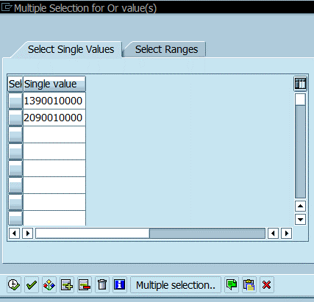
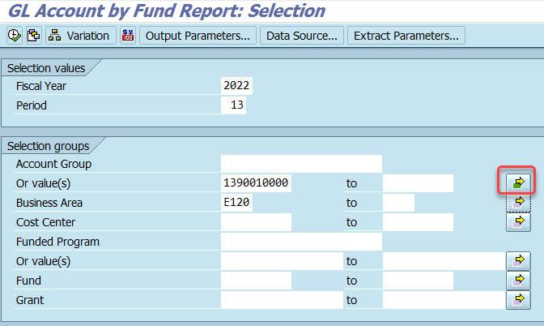
Interfund Loan Activity:

Review Interfund loan Receivables / Payables to ensure appropriate balance and ensure that documentation is in accordance with the JE Policy
Transaction: ZGLA

1. Open transaction ZGLA
2. Complete/review the following fields: - Fiscal Year - Period - Account Group Or value(s): 1390010000, 2090010000 - Business Area
3. Click the Execute button.

Cash Transfers
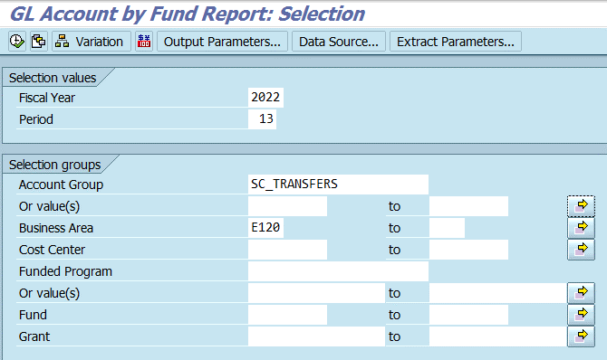
Cash Transfers:

Review 61* / 62* GL transfer accounts to ensure they reconcile and documentation is in accordance with the Cash Transfer Policy
Transaction: ZGLA

1. Open transaction ZGLA
2. Complete/review the following fields: - Fiscal Year - Period - Account Group: SC_TRIAL_BALANCE_DETAIL or SC_TRANSFERS - Business Area
3. Click the Execute button.

Payroll Activity
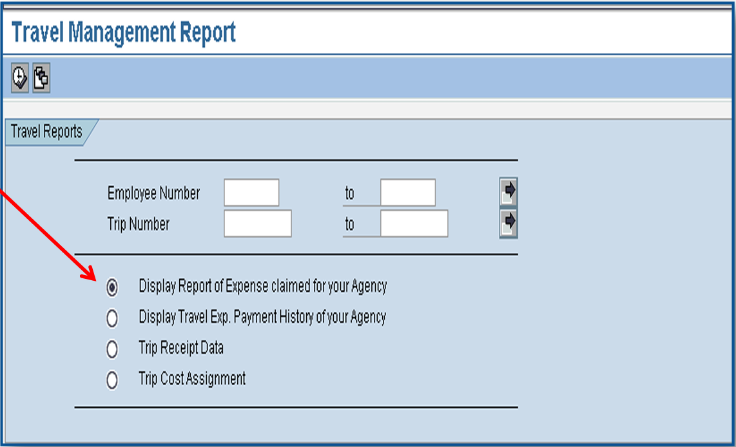
Payroll Activity:

Review / Clear 30240000

1. Open transaction ZGLA
2. Complete/review the following fields: - Fiscal Year - Period - Account Group: SC_TRIAL_BALANCE_DETAIL - Business Area - Fund: 30240000
3. Click the Execute button.
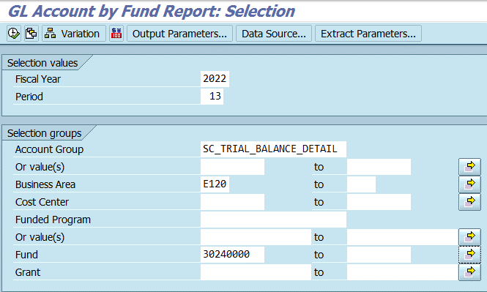

Review / Clear HRPay

1. Open transaction ZGLA
2. Complete/review the following fields: - Fiscal Year - Period - Account Group: SC_TRIAL_BALANCE_DETAIL - Business Area - Fund: HRPAY
3. Click the Execute button.
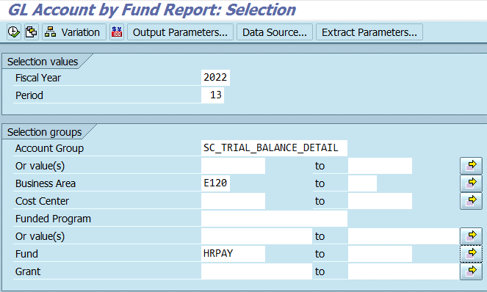

Review / Clear Travel Advances

1. Open transaction ZGLA
2. Complete/review the following fields: - Fiscal Year - Period - Account Group Or value(s): 5052010000 - Business Area
3. Click the Execute button.

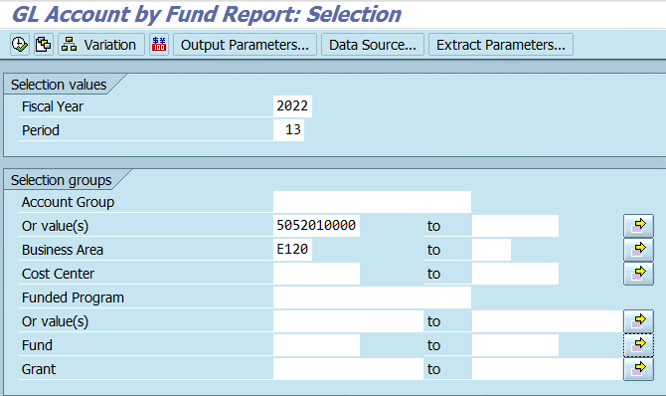

Review and clear commitments in Travel Module

1. Open transaction ZTRAVEL_REPORT
2. Enter the employee number and trip number or run without them to display all employees all trips of your agency.

Journal Entries
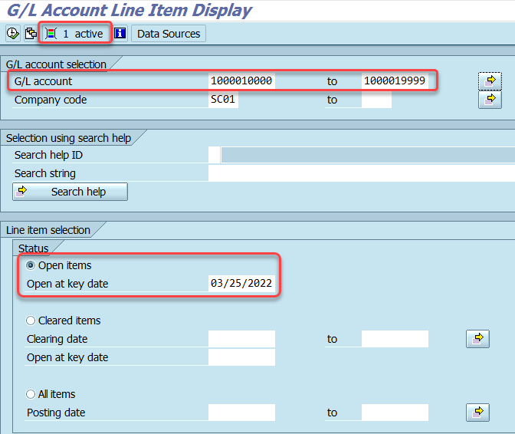
Review the following for Journal Entries to be recorded:

Reconcile General Fund Cash Transfers

1. Open transaction ZGLA
2. Complete/review the following fields: - Fiscal Year - Period - Account Group Or value(s): 7999999997 - Business Area - Fund: 10010000 or 100190000
3. Click the Execute button.
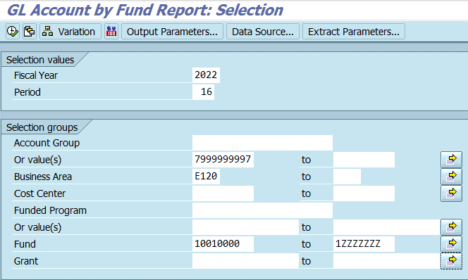

1. Open transaction FMAVCR01 to view the General Fund appropriation balance.
2. Complete/review the following fields: - Fiscal Year - Grant - Fund - Funds Center - Commitment Item - Functional Area - Funded Program
3. Click the Execute button.
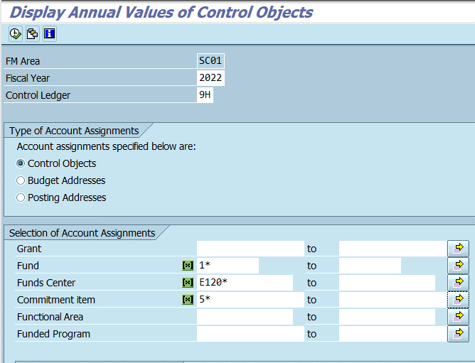

Clear default functional areas and cost centers - examples: UNBUD, DUMM, ZNDBIF

1. Open transaction ZGLA.
2. Complete/review the following fields: - Fiscal Year - Period - Business Area - Cost Center: Example F030ZNDBIF
3. Click the Execute button.
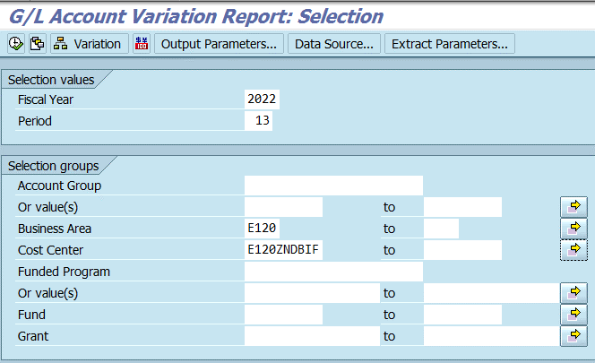

Review passthrough funds ("P" in 3rd position) to ensure zero balance

1. Open transaction ZGLA
2. Complete/review the following fields: - Fiscal Year - Period - Account Group: SC_TRIAL_BALANCE_DETAIL - Business Area
3. Click the Execute button.
4. Review passthrough funds.

Cost Allocation / Push Down Entries are completed

Review transactions ZGLA and/or FMEDDW for entries that need to be recorded.

Reconcile loans receivable

1. Open transaction ZGLA.
2. Complete/review the following fields: - Fiscal Year - Period - Account Group: SC_TRIAL_BALANCE_DETAIL - Business Area
3. Click the Execute button.
4. Review loan receivables accounts

Review and post all journal entries

1. Open transaction Z_AGY_DOCLIST.
2. Complete/review the following fields:
- Fiscal Year
- Business Area
- One selection under the General Selections group
- Under Display Parked Documents, check the Parked Documents box
3. Click the Execute button.
4. Review journal entries.
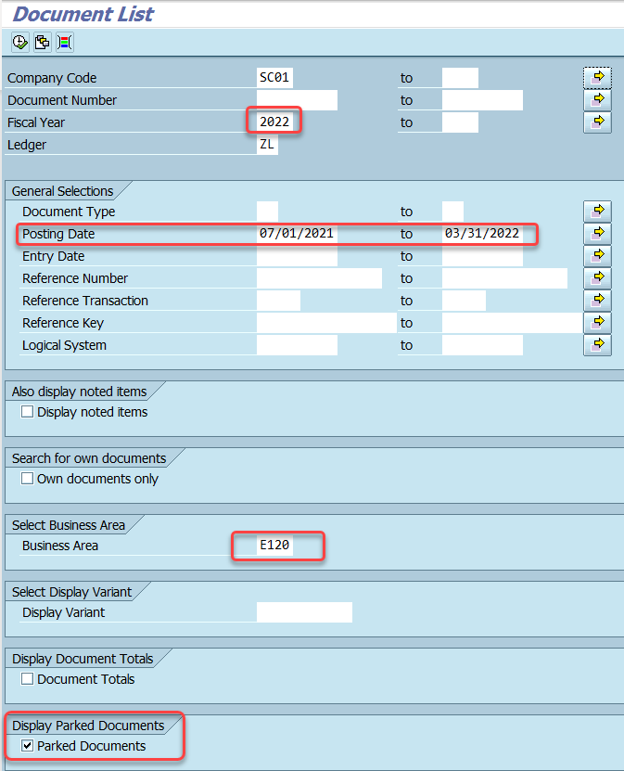

Delete Parked Documents no longer needed

1. Open transaction FB02 or FBV2
2. Click on Document in the upper left hand corner:

3. From the drop down menu, click Change:

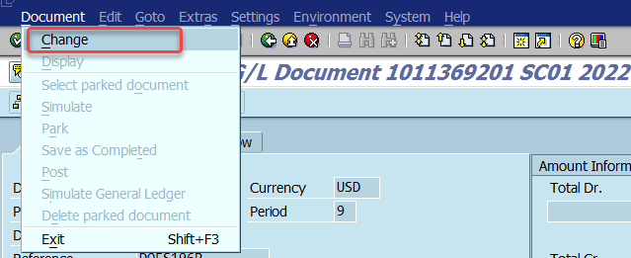

4. Click Document again and then select Delete Parked Document
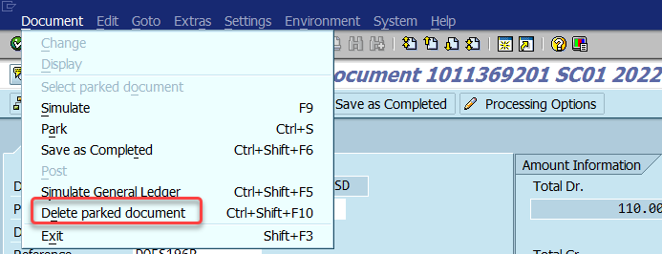

Leases & Rent

1. Open transaction ZGLA.
2. Complete/review the following fields: - Fiscal Year - Period - Account Group: SC_TRIAL_BALANCE_DETAIL - Business Area
3. Click the Execute button.
4. Review leases & rent G/L accounts

Prepaid Expenditures

1. Open BEX Analyzer 7-3.
2. Open query 'Yearend Rptg - Prepaid Expenses'.
3. Complete/review the following fields: - Business Area - Fiscal Year (Single)
4. Click OK.
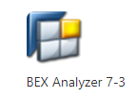

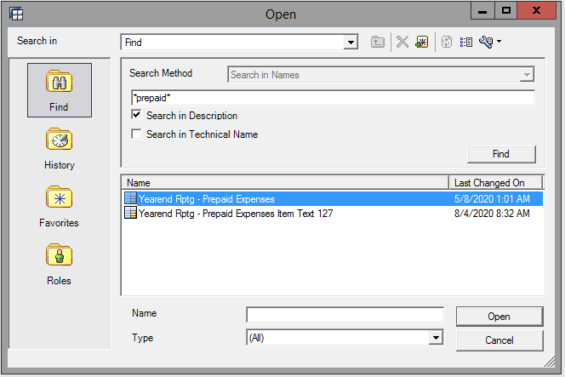

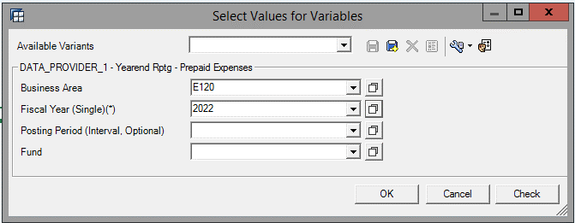

Overall review to clear overexpended lines as deemed appropriate

1. Open transaction FMAVCR01.
2. Complete/review the following fields: - Fiscal Year - Grant - Fund - Funds Center - Commitment Item - Functional Area - Funded Program
3. In the Display Options Section select the 'Display Budget Deficits Only' option.
4. Click the Execute button.
5. Review overexpended balances. (Unbudgeted funds do not have to be cleared).
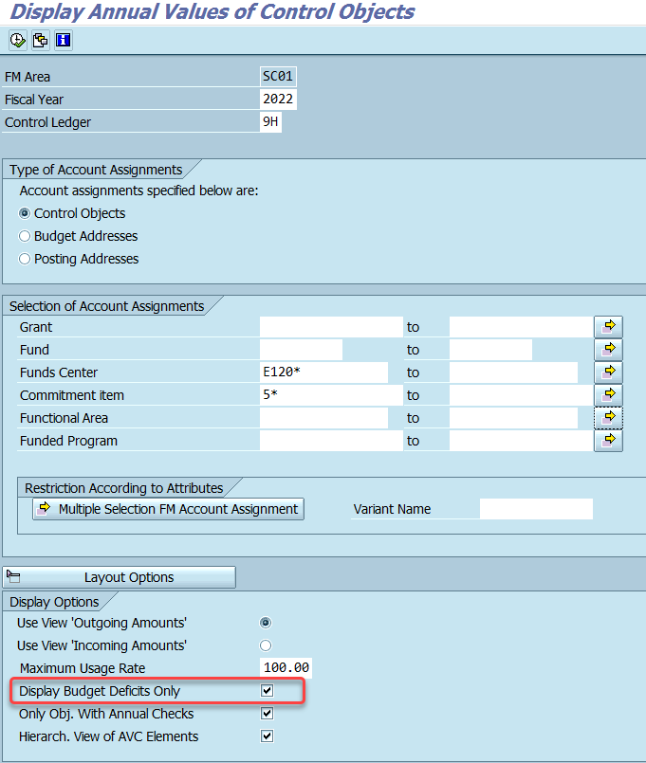

Review and ensure Undeposited Cash is zero at year end

1. Open transaction FBL3N.
2. Select the Dynamic Selections icon and enter the business area in the appropriate field.
3. Enter the undeposited cash accounts in the G/L account fields: 1000010000 to 1000019999
4. Select the Open items option in the Line item selection section. Change the Open at key date if necessary.
5. Execute the transaction.

Cap Proj & Cap Assets
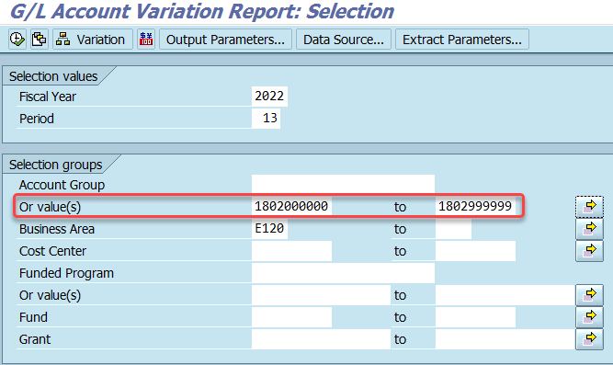
Capital Projects and Capital Assets:

Ensure capital projects budget balances are not overdrawn.

1. Open transaction ZBDSUM.
2. Complete/review the following fields: - Fiscal Year - From Period - To Period - Funds Center Or value(s) - Commitment Item Or value(s)
3. Click the Execute button.
4. Review balances in capital project funds.
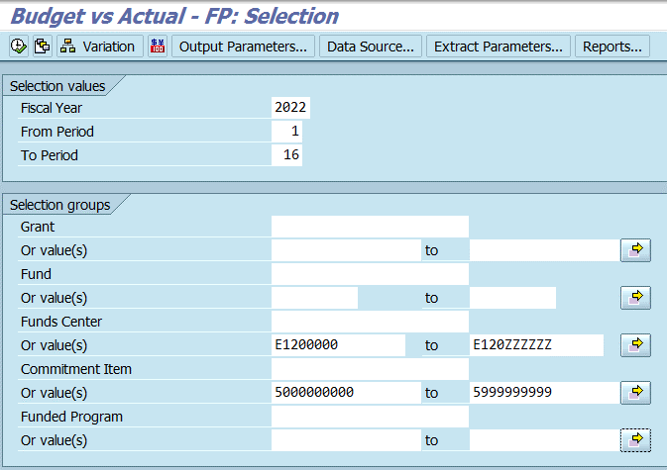

Review expenditure postings for accuracy and ensure postings are from approved fund sources.

1. Open transaction ZGLA.
2. Complete/review the following fields: - Fiscal Year - Period - Account Group Or value(s): SC_TRIAL_BALANCE_DETAIL - Business Area
3. Click the Execute button.
4. Review expenditure postings.

Reconcile Assets (Capital / Low Value) G/L balances with Asset sub ledger balances

1. Open transaction ZGLA.
2. Complete/review the following fields: - Fiscal Year - Period - Account Group Or value(s): 1700000000 to 1999999999 - Business Area
3. Click the Execute button.
4. Review asset balances.
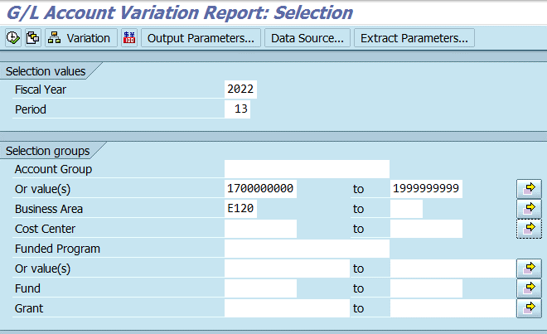

1. Open transaction S_ALR_87011990.
2. Complete/review the following fields: - Asset number - Subnumber - Asset class - Business area - Report date - Depreciation area
3. Click the Execute button.
4. Review and reconcile balances.
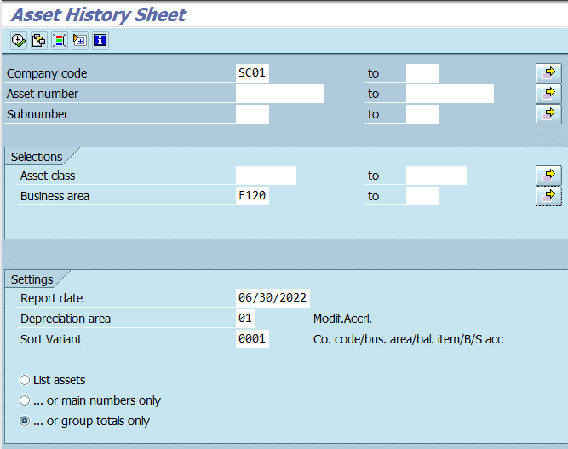

1. Open transaction BEX Analyzer
2. Open query 'Yearend Rptg - Asset History Sheet'.
3. Complete/review the following fields: - Fiscal year - Depreciation area - Business area
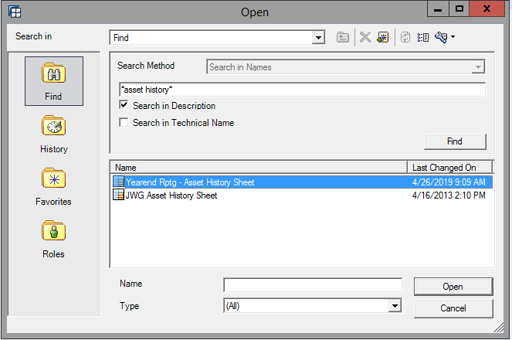

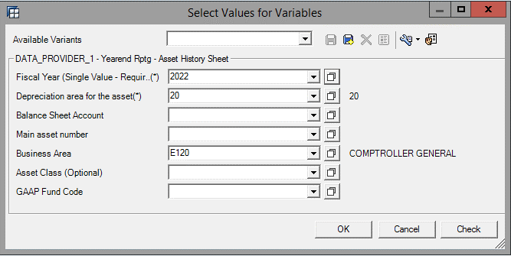

Ensure capital assets are reflected in the fund using the asset.

1. Open transaction S_ALR_87011965
2. Complete/review the following fields: - Business Area - Report date - Sort Variant: Use ZFND or another variant with Fund - Select List Assets within the settings
3. Click the Execute button.
4. Select the "Change Layout" option
5. Move "Fund" to displayed columns
6. Sort by capitalization date.
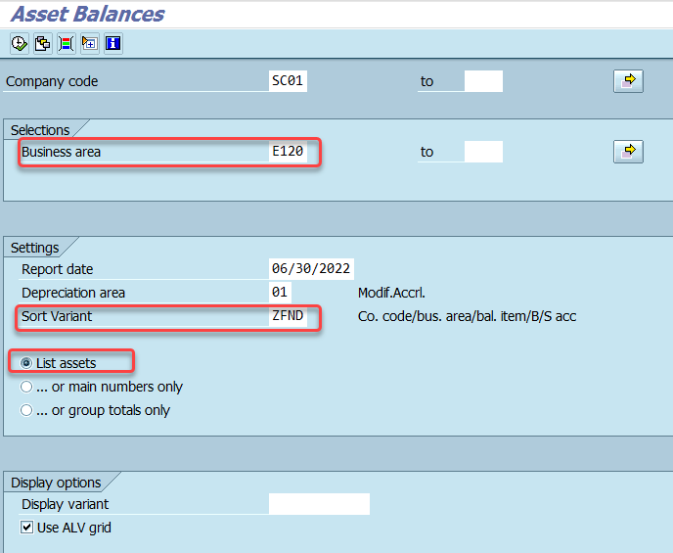

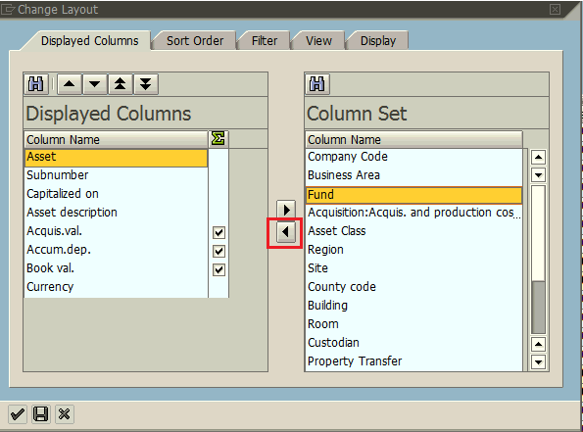

Review the Directory of Un-posted Assets (no capitalization date) and take appropriate action: - Ensure capitalization is occuring on appropriate assets - Block or delete old assets
* Ensure capitalization is occuring on appropriate assets
* Block or delete old assets

1. Open transaction S_ALR_87012056.
2. Complete/review the following fields: - Asset class - Business area - Cost Center - Plant - Location
3. Click the Execute button.
4. Review unposted assets.
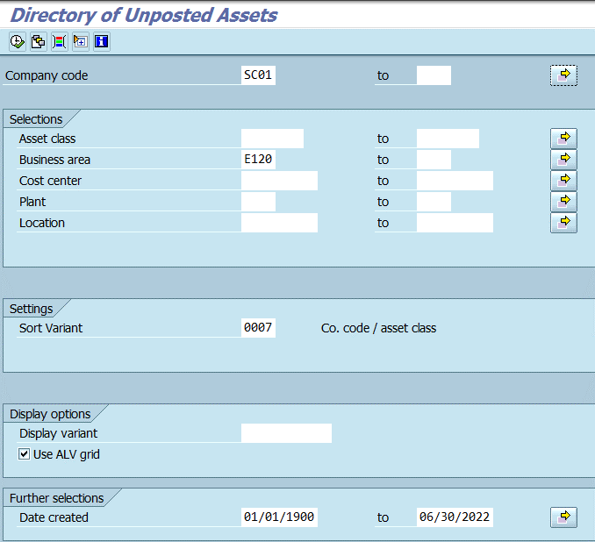

Ensure that modified accrual and full accrual depreciation balances equal in the Asset Module

1. Open transaction S_ALR_87012013.
2. Complete/review the following fields: - Asset class - Business area - Report date - Depreciation area: 01
3. Click the Execute button.
4. Review depreciation balances.
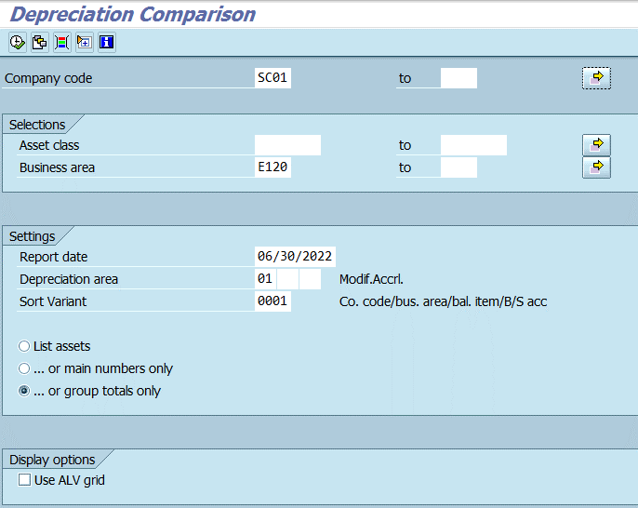

1. Open transaction S_ALR_87012013.
2. Complete/review the following fields: - Asset class - Business area - Report date - Depreciation area: 01 & 20
3. Click the Execute button.
4. Review depreciation balances.
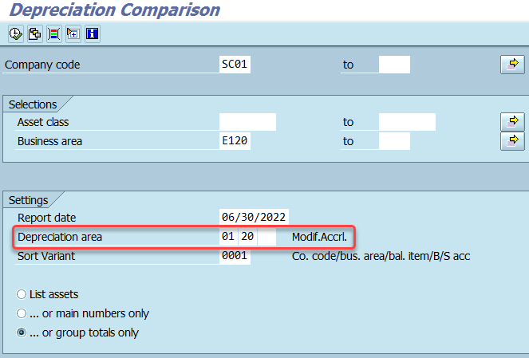

Ensure that modified accrual and full accrual asset balances equal on General Ledger (ZGLA): 1801000000-1801999999 compared to 1802000000-1802999999

1. Open transaction ZGLA.
2. Complete/review the following fields: - Fiscal Year - Period - Account Group Or value(s): 1801000000 to 1801999999 - Business Area
3. Click the Execute button.
4. Review balances.
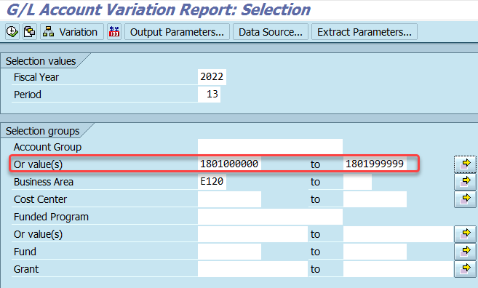

1. Open transaction ZGLA.
2. Complete/review the following fields: - Fiscal Year - Period - Account Group Or value(s): 1802000000 to 1802999999 - Business Area
3. Click the Execute button.
4. Review and compare balances.

Purchase Order
Screen shots for "Reduce" PO

Now the user only needs to encumber $16,773.75. The user reduced the PO by $64,006.25, now the PO reflects $16773.75. The user is expecting an invoice for $16,773.75.

SRM's ME23N Tab indicates ECC has $16,773.75 in funds encumbered.

No Further Confirmation and No Further Invoice. Line Item 1 is not linked to a contract. Line Item 1 has paid an invoice and no other Good Receipts are expected.
Edit the PO and changed the NFC and NFI radio buttons from "No" to "Yes".

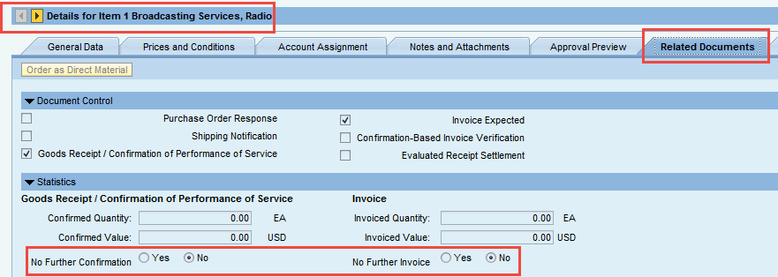

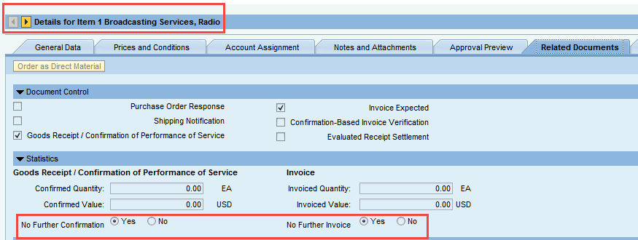

To ensure no other transactions (Price changes, GRs/IRs) are processed against Line Item 1, the Buyer "Locks" Line Item 1.

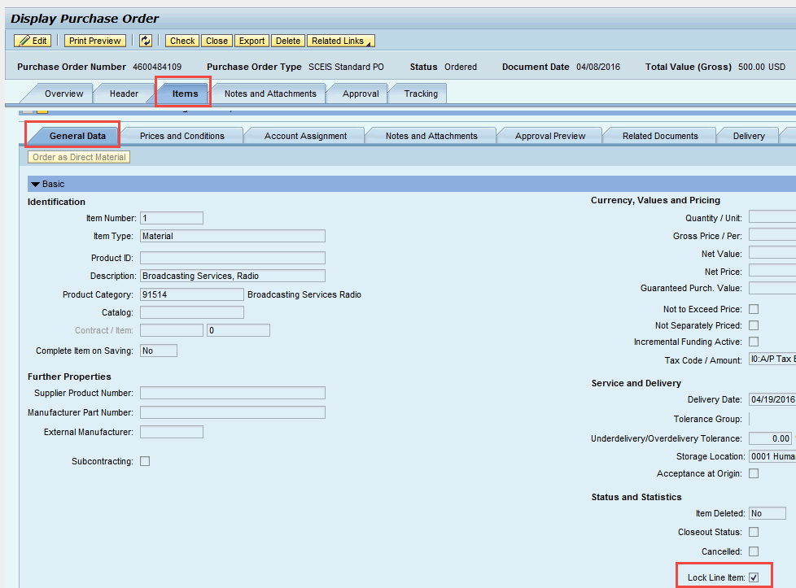

Since Line Item 1 has had the above transactions recorded against it, the decision was made that Line Item 2 was no longer required. Line Item 2 was deleted at the Line Item Level, hence the red X on Line Item 2.

Notice the Icons in SRM's ME23N tab.

SRM's ME2N. Notice all of the possible search crtieria. In this scenario, since the Buyer uses the CG's Check List to maintain POs monthly, ME2N is needed to process this month's POs only.
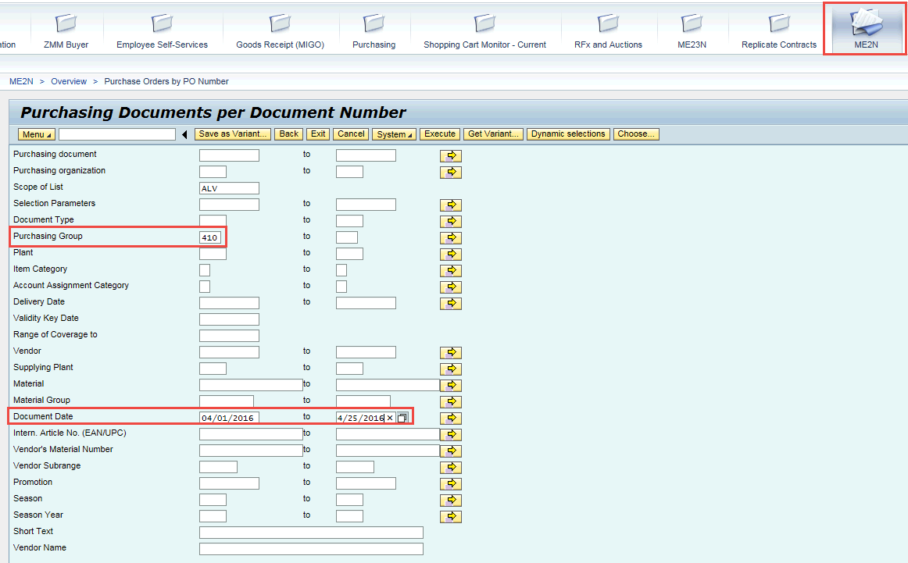

The above search provided the following POs.
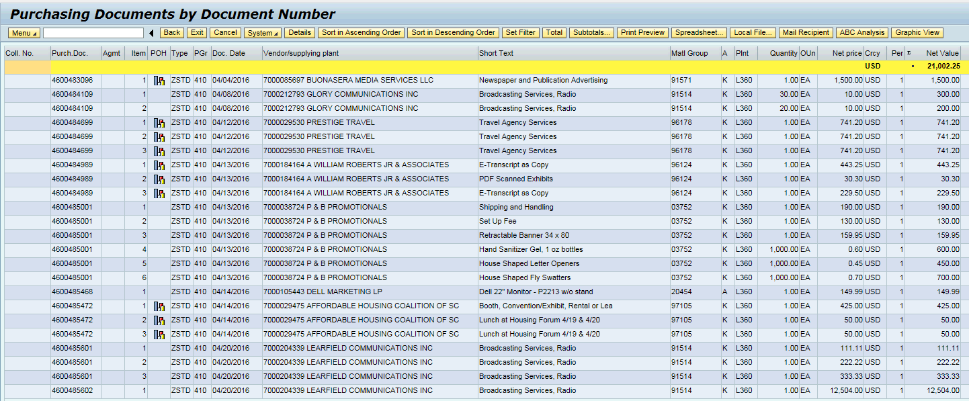

If a PO is linked to a Contract and the agency has paid all of the invoices it needs to pay; then DO NOT do a NFI/NFC because even though this process unencumbers the funds, the NFI/NFC process DOES NOT update the Contract's "Release Document". If the agency has paid all of the invocies then reduce the PO's Net Price. In this example the PO is for $80,780.00.

Now the user only needs to encumber $16,773.75. The user reduced the PO by $64,006.25, now the PO reflects $16773.75.

Inventory

Perform GR/IR clearing Maintenance on Inventory PO's using MR11, ZGLA and ZMRBR Refer to IM330 class instructions









ME5A Review IM PR's for modificaiton or conversion to S/C, then PO
Enter fields as seen but change to your plant and EXECUTE.


Review



Click on assignments at the top of the screen to view issue

MB22 Review any INV Mgmt. material reservations for change, deletion or final issue



Make necessary changes



Perform physical Inventory between April 1 and June 30 and post difference using MI07.

Steps to take Inventory can also be found in the CO400 training Materials.

Sales and Distribution

REVIEW OPEN SALES ORDERS THAT WILL NOT BE DELIVERED OR BILLED AND CHANGE OR CLOSE VA05 to view and VA02 to Change

1)Open Transaction VA05
2) Click on Org Data at top
A) Enter Sales Org, Dist Channel and Division, Click green checkmark.
B) Enter a date range and check mark Open Sales Orders
C) Click the green check mark at top of page.



Review the open orders and close or change.



TO CHANGE OR CLOSE DOUBLE CLICK on the document number and goes to VA02 for change.



REVIEW INCOMPLETE SALES ORDERS VA02 for Sales Orders, VA42 for Contracts
1) Open transaction VA02 for sales orders or VA42 for Contracts . This example is by customer PO. Note different search criteria
2) Using the dropdown from the order choose "A" Sales document according to customer PO number
3) Sales Org choose your agency from the dropdown, check "No restriction" & check the green checkmark



4) The screen will look like this. Double click on any customer PO line you wish to change



5) Once you have double clicked on the document the change sales order screen pops up populated with the PO you chose.
6) Check the green checkmark at top



7) The screen opens up to change the document. Make your changes here and SAVE.



Review Activities Due for Shipping VL10H
1) Enter shipping /receiving plant, delivery date range , leave CacRuleDefitDivCrDt unpopulated and EXECUTE



2) Check mark the sales order you wish to pick & check Dialog.



3) Create Outbound Delivery, choose the picked tab and enter the qty you are picking , then click post goods issue


Review Sales Documents Blocked for Delivery VA14L

1) Enter the Sales Org, Distribution Channel and Division. Then EXECUTE.


2) Choose the blocked sales order by highlighting and click on edit sale doc



3) Edit sales Doc brings you to VA02 where you can take the delivery block off.



4) Click Save and the document is no longer blocked for delivery.



Review Sales Orders Blocked for Billing V23

1) Enter the Sales Org, Distribution Channel and Division. Then EXECUTE.




2) Choose the blocked sales order by highlighting and click on edit sale doc

3) Edit sales Doc brings you to VA02 where you can take the billing block off.



4) Click Save and the document is no longer blocked for billing.



Review and Maintain Billing Documents VF04, VFX3
In VFX3 under Organizational Data enter the Sales Org. Under Creation Data tab today's date for the "to" date. Under "Incomplete due to" check mark the Accounting Block and Error in Accounting interface and execute.



This will bring you to release Billing Documents for Accounting, highlight the line, click on the green flag and then the green check mark at top. This will release the accounting documents.

Maintain Billing Due List in VF04 to release invoices
Enter today's date in the Bill Date "to" in the Billing Data, under Selection tab add Sales Og, Dist Channel and Division. Under Documents to be selected check mark Order related and Delivery related. Execute



Highlight line to be invoiced and click on Individual or Collective billing, then save.

Review/clear Outbound Delivery Monitor for picking and goods issue. VL06O
Click on the picking tab and the green check mark.



Enter the shipping point/receiving point and use todays date as the "to" date under the picking tab. Under picking data check both picking types and check at item level. Under output proposal for picking request from the dropdown choose EK00 for picking lsit and EXECUTE.



Check mark by each delivery document and click on Item View



Double click on the delivery document, change screen to change, go to the picking tab and enter the qty to be picked. The problem with this is that the material was never picked and POST GOODS ISSUE.



Goods Issue VL06O
Click on Goods Issue


Under Time Data put todays date, Under Output Proposal, output type is LD00, EXECUTE



Click in the box next to the delivery document and post the goods issue.



Review Open Contracts in VA45. Once reviewed use VA42 to change/delete the contract

AV45 Open contracts, review.


To change/delete VA42, enter the contract number



Make changes and SAVE

