Classification Definitions
The Fund Balance Classification is necessary to understand the processes under which constraints are imposed upon the use of fund resources and how those constraints may be modified or eliminated.
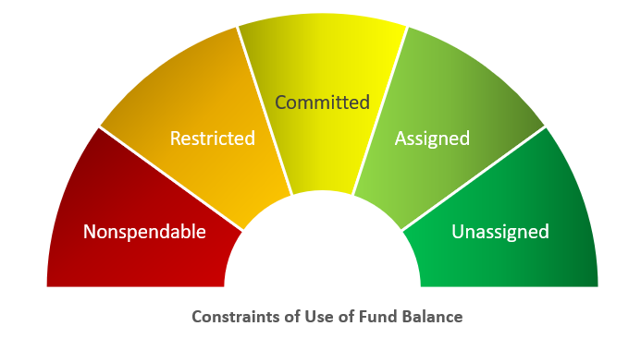

Nonspendable
Definition | Fund balance is unable to be spent. The nonspendable fund balance classification includes amounts that cannot be spent because they are either (a) not in spendable form or (b) legally or contractually required to be maintained intact. The "not in spendable form" includes items that are not expected to be converted to cash, for example, inventories and prepaid amounts. It also includes the long-term amount of loans and notes receivable, as well as property acquired for resale. However, if the use of the proceeds from the collection of those receivables or from the sale of those properties is restricted, committed, or assigned, then they should be included in the appropriate fund balance classification (restricted, committed, or assigned), rather than nonspendable fund balance. The corpus (or principal) of a permanent fund is an example of an amount that is legally or contractually required to be maintained intact. Net assets required to be retained in perpetuity are also considered nonspendable.
Examples | Office supplies, inventories, prepaid items, principal portion of a Permanent Fund

Restricted
Definition | Amounts in fund balance can only be used for the specific purposes stipulated by external resource providers, constitutional provisions, or enabling legislation; externally enforceable limitation of usage. Fund balance should be reported as restricted when constraints placed on the use of resources are either: a. Externally imposed by creditors (such as through debt covenants), grantors, contributors, or laws/regulations of other governments b. Imposed by law through constitutional provisions or enabling legislation. "Enabling legislation" authorizes the government to assess, levy, charge, or otherwise mandate payment of resources (from external resource providers) and includes a legally enforceable requirement that those resources be used only for the specific purposes stipulated in the legislation. Legal enforceability means that a government can be compelled by an external party (citizens, public interest groups, or the judiciary) to use resources created by enabling legislation only for the purposes specified by the legislation.
Examples | a. A federal grant for school lunches b. Local government statute authorizes a specific tax or fee for a specific purpose (hotel occupancy tax, levied specifically for beautifying the downtown business district) and legal enforceability regarding use of tax is established by case law or discussion with governmental counsel. c. Debt proceeds that must be used for a specific purpose based on a voter-approved proposition. d. A bond agreement requires that 1 year's debt service be maintained with a trustee until the debt from a particular bond issue is fully redeemed. e. Expendable portion of a Permanent Fund f. Legal settlements that include restrictions

Committed
Definition | Amounts in fund balance can only be used for the specific purposes determined by formal action of the government's highest level of decision-making authority; self-imposed limitations. Committed funds cannot be used for any other purpose unless the government removes or changes the specified use by taking the same type of action (for example, legislation, resolution, ordinance) it employed to previously commit those amounts; all changes should be approved by the legislative and executive branches of the government, if applicable. Committed fund balance should also include contractual obligations to the extent that existing resources in the fund have been specifically committed for use in satisfying those contractual requirements. -The use restriction is imposed by legislation that is separate from the legislation that created the revenue source. -The allocation or earmarking of existing resource inflows by separate legislation. -The use of constraints is not legally enforceable. -Amounts may be redeployed for other purposes with appropriate due process
Example | Higher education tuition funds

Assigned
Definition | Amounts in fund balance are constrained by the government's intent to be used for specific purposes; limitation resulting from intended use. Assigned funds should not have a negative balance. Intent should be expressed by the: a. Governing body itself b. A body (ex-budget or finance committee) or official to which the governing body has delegated authority Authority for declaring intent on use of funds is not required to be at the governments highest level of decision making authority. Constraints imposed can be easily removed or altered.
Example | Working capital

Unassigned
Definition | Unassigned fund balance is the residual classification for the general fund. Fund balance that has not been assigned to other funds and has not been restricted, committed, or assigned to specific purposes within the general fund.
Examples | General fund surplus Deficit fund balances in other fund balance classifications

